Report
Design Traffic
Traffic in CVPD as per last count | P | 1030
Type of carriage way |  | Four-lane single carriageway roads
RUN IITPAVE
Lane distribution factor | D | 50% |  |  |  | Center to center distance between Tyres | 310 mm
Annual growth rate of commercial vehicles in percentage | r | 6% |  |  |  | Load on single wheel (N) | 20000 N
Construction Period | x | 3 Years |  |  |  | Tyre Pressure | 0.56
The traffic in the year of completion of construction | A | 1192.35 |  |  |  | IITPAVE INPUTS
Vehicle damage factor | F | 12.5 |  |  |  | No of Layers | 3
Type of Terrain |  | Rolling/Plain |  |  |  | Layer:1 Elastic Modulus(Mpa) | 3000 | Poison Ratio | 0.35 | Thickness(mm) | 0
Category of Road |  | State Highway (SH) |  |  |  | Layer:2 Elastic Modulus(Mpa) | 0.00 | Poison Ratio | 0.35 | Thickness(mm) | 0
Design Period | n | 15 Years |  |  |  | Layer:3 Elastic Modulus(Mpa) | 0.00 | Poison Ratio | 0.35
The cumulative number of standard axles to be catered for during the design in terms of msa | N | 18.3 msa |  |  |  | Wheel Load (N) | 20000 | Tyre Pressure(Mpa) | 0.56
Average Annual Pavement Temperature °C |  | 25 °C |  |  |  | Analysis Point | 4
Effective CBR |  | 10 |  |  |  | Point:1 Depth(mm) | 0 | Radius(mm) | 0
Effective resilient modulus of Subgrade |  | 76.83 MPa |  |  |  | Point:2 Depth(mm) | 0 | Radius(mm) | 155
Type of Bitumen |  | BC and DBM for VG30 bitumen |  |  |  | Point:3 Depth(mm) | 0 | Radius(mm) | 0
Resilient Modulus of Bituminous Mixes |  | 3000.00 MPa |  |  |  | Point:4 Depth(mm) | 0 | Radius(mm) | 155
Type of Base layer |  | Bituminous Surface Course with Granular Base and Sub-base |  |  |  | Wheel Set | 2
Thickness of Individual Layers (in mm) | Total Pavement Thickness (mm) | Surface Course | Base / Binder Course | WMM | GSB | IITPAVE OUTPUTS
Plate6 | 530 | 30 | 50 | 250 | 200 | Tensile strain @ bottom of bituminous layer |  |  | Vertical compressive strain @ top of the subgrade
$M_{R_GRAN}$ = ${0.2(h)}^{0.45}$ x $M_{RSUPPORT}$
Resilient Modulus of the Subgrade | 76.83 MPa |  |  |  |  | Allowable | Actual by IITPAVE |  | Allowable | Actual by IITPAVE
Resilient modulus of Granular layer | 240.15 MPa |  |  |  |  | 0 | 0.0003921 |  | 0 | 0.0002727
Reliability Factor | 80 %
Allowable Vertical Tensile Strain ( ɛv ) | 0.000589
Allowable Horizontal Tensile Strain ( ɛt ) | 0.000255

Pavement
Pavement Design
Average Annual Pavement Temperature °C | 25 °C |  |  |  |  | Plate6 |  | New Plate
Effective CBR | 10 |  |  |  |  | Total Pavement Thickness (mm) | 530 | 540
Effective resilient modulus of Subgrade | 76.83 MPa |  |  |  |  | Surface Course | 30 | 30
Type of Bitumen | BC and DBM for VG30 bitumen |  |  |  |  | Base / Binder Course | 50 | 50
Resilient Modulus of Bituminous Mixes | 3000.00 MPa |  |  |  |  | WMM | 250 | 250
Type of Base layer | Bituminous Surface Course with Granular Base and Sub-base |  |  |  |  | GSB | 200 | 200
Thickness of Individual Layers (in mm) | Total Pavement Thickness (mm) | Surface Course | Base / Binder Course | WMM | GSB
Plate6 | 530 | 30 | 50 | 250 | 200
Resilient Modulus of the Subgrade | 76.83 MPa
$M_{R_GRAN}$ = ${0.2(h)}^{0.45}$ x $M_{RSUPPORT}$
Resilient modulus of Granular layer | 240.15 MPa
Reliability Factor | 80 %
Allowable Vertical Tensile Strain ( ɛv ) | 0.000589
Allowable Horizontal Tensile Strain ( ɛt ) | 0.000255

IITPAVE
RUN IITPAVE
Center to center distance between Tyres | 310 mm
Load on single wheel (N) | 20000 N |  |  |  |  |  | RUN AGAIN
Tyre Pressure | 0.56
IITPAVE INPUTS |  |  |  |  |  | IITPAVE OUTPUTS
No of Layers | 3 |  |  |  |  | Tensile strain @ bottom of bituminous layer |  | Vertical compressive strain @ top of the subgrade
Layer:1 Elastic Modulus(Mpa) | 3000 | Poison Ratio | 0.35 | Thickness(mm) | 80 | Allowable | Actual by IITPAVE | Allowable | Actual by IITPAVE
Layer:2 Elastic Modulus(Mpa) | 240.15 | Poison Ratio | 0.35 | Thickness(mm) | 450 | 0.00058907500674 | 0.0003921 | 0.00025521347944 | 0.0002727
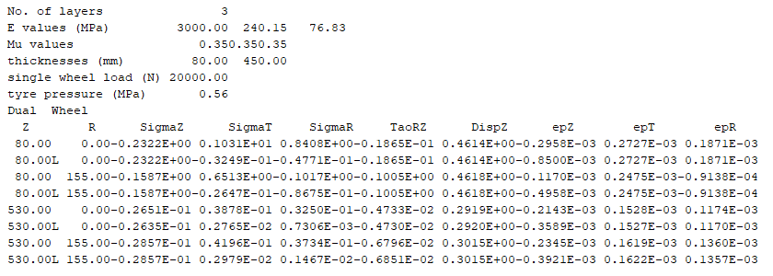
Layer:3 Elastic Modulus(Mpa) | 76.83 | Poison Ratio | 0.35
Wheel Load (N) | 20000 | Tyre Pressure(Mpa) | 0.56
Analysis Point | 4
Point:1 Depth(mm) | 80 | Radius(mm) | 0
Point:2 Depth(mm) | 80 | Radius(mm) | 155
Point:3 Depth(mm) | 530 | Radius(mm) | 0
Point:4 Depth(mm) | 530 | Radius(mm) | 155
Wheel Set | 2

